Sheet1
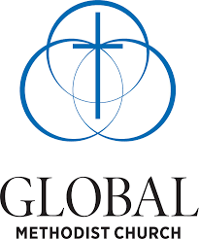

 | Pastoral Pension Contribution Calculation

 | Pastor:_______________________
 |  |  |  |  | (Numbers supplied are for example only)

Pastor Compensation: |  | $60,000 |  |  | (Only fields in blue font should be changed)
 |  |  |  |  | (Numbers are expressed in ANNUAL terms)
Parsonage Calculation: |  | $15,000 |  |  | (If there is no parsonage, delete this cell)
or |  |  |  |  | (Numbers supplied are for example only)
Housing Allowance: |  | $-

Total Compensation: |  | $75,000
(for pension purposes)

Pastor Pension Contribution: |  | $3,750 | 5.00% | (% Calc) | (IRS Max. for 2023 is $22,500 (+$7,500 if over age 50))

Church Pension Contribution: |  | $3,750 | 5.00% | (% Calc)
Church Match Contribution: |  | $3,750 | 5.00% | (% Calc)
Total Church Contribution: |  | $7,500 | 10.00% | (% Calc)

Total Pension Contribuion: |  | $11,250 | 15.00% | (% Calc)

Nearly all clergy will benefit from making their personal contributions on a before-tax basis. If you would like your
contributions to be on an after-tax basis or a Roth, please contact Rick Van Giesen at rvangiesen@globalmethodist.org.
THE COMPLETION OF THIS FORM AND TRANSMITTAL TO RICK VAN GIESEN,
BENEFITS OFFICER FOR THE GMC SIGNIFIES YOUR VOLUNTARY ENROLLMENT
IN THE GMC'S COVENANT CLERGY PIP PENSION PLAN.

